Results
 | Records Management Assessment Tool RESULTS

CATEGORY | RECORDS & IM ACTIONS | MATURITY SCORE | RESPONSE |  | BASELINE COMPLIANCE | CATEGORY SCORE (%)
People and Governance | Q1. High Risk / High Value Business & Systems | 3 | The organisation has formally identified its high risk / high value information assets. There is a complete, single view of high risk / high value information assets (e.g. in a specific document, spreadsheet, or register). |  | 3.0 | 57.8% | 3
People and Governance | Q2. Information Risk | 4 | The organisation has formally identified the information risks that could impact high risk / high value areas of the business. Risk mitigation for high risk / high value information assets is addressed through planned initiatives. |  | 3.0 |  | 4
People and Governance | Q3. Senior Responsible Officer | 1 | There is no senior executive oversight of the records and information management function. |  | 3.0 |  | 1
People and Governance | Q4. Records & Information Strategy | 4 | The RIM strategy influences or is referenced by other strategies and policies. The organisation considers records and information management impacts during long-term planning, major projects or risk management activities. There is regular reporting on RIM initiatives and senior management actively supports the RIM strategic direction. |  | 3.0 |  | 4
People and Governance | Q5. Records & Information Policy | 2 | The RIM policy is being developed or updated. Some teams or systems have documented procedures or business rules. |  | 3.0 |  | 2
People and Governance | Q6. RIM Responsibilities | 3 | Staff and contractors understand the RIM requirements of their role. They are familiar with the relevant policies and procedures. Roles and responsibilities are documented in all job descriptions, performance plans and codes of conduct. All staff receive RIM induction training as part of their on-boarding. A further program of RIM training is available to all staff and contractors. |  | 3.0 |  | 3
People and Governance | Q7. Capability & Capacity | 3 | The organisation has skilled records and information management staff or access to appropriate skills to support good practice across the organisation. They have regular access to professional development opportunities. RIM capability and capacity is regularly assessed and monitored against business needs. |  | 3.0 |  | 3
People and Governance | Q8. Outsourcing & Contracts | 2 | Roles, responsibilities and requirements for records and information management are identified in some contracts for outsourced functions and collaborative arrangements. There is some monitoring of external parties to assess whether requirements are met. All parties are aware of the State records status of the records they hold. |  | 3.0 |  | 2
People and Governance | Q9. Performance Monitoring | 4 | RM performance is regularly monitored and reported across all information systems and business processes. Corrective actions to address non-compliance are systemic. Opportunities to improve performance are explored and implemented. |  | 3.0 |  | 4
Systems and Business | Q10. Security & Protection | 3 | Standard processes and controls are established and monitored across business processes and systems that have been identified as high risk or high value. There are appropriate protections in place for high risk / high value information assets (including third party storage providers and in transit). Security processes and controls are regularly tested. |  | 3.0 | 56.0% | 3
Systems and Business | Q11. Search & Discovery | 1 | The organisation is unaware or has taken no steps to specifically address information accessibility and discoverability. Statistics and reports may indicate staff and contractors have difficulty searching and retrieving relevant and information and records. |  | 3.0 |  | 1
Systems and Business | Q12. Quality Records and Information | 2 | Policies, business rules and procedures have been implemented in some business processes or systems. Localised practices aim to ensure that records and information are reliable and trustworthy. System audits or anecdotal evidence indicate information quality is variable across the organisation. Some steps have been taken to address business and user needs for records and information. |  | 3.0 |  | 2
Systems and Business | Q13. Use & Re-Use | 3 | Standard processes and controls for information use and re-use are established for information systems and business processes that have been identified as high risk or high value. Procedures for information collection, description and discovery support use and re-use, and minimise information duplication. |  | 3.0 |  | 3
Systems and Business | Q14. Systems Design | 5 | Records and information management capabilities and minimum metadata are implemented across all new and upgraded IT systems or services. RIM expertise is fully involved in design, management and decommissioning of IT systems or services. Risks relating to IT systems or services that do not meet RIM requirements are mitigated. |  | 3.0 |  | 5
Information Management | Q15. Create, Collect, Capture | 4 | Records and metadata are routinely created and managed as part of normal business practice. There are standard processes to capture records across all information systems and business processes. |  | 3.0 | 48.0% | 4
Information Management | Q16. Storage | 3 | The organisation has actively addressed safe and accessible storage, including storage areas, for records and information in systems and business processes that have been identified as high risk or high value. |  | 3.0 |  | 3
Information Management | Q17. Retention & Disposal | 2 | Processes manage some records and information according to authorised disposal authorities. Disposal actions are implemented across some repositories and formats and are sometimes documented. The destruction of some physical or digital information is secure, complete and irreversible. |  | 3.0 |  | 2
Information Management | Q18. Transfer | 1 | The organisation is unaware, or has not taken any steps or given explicit consideration to the transfer of records and information. |  | 3.0 |  | 1
Information Management | Q19. Access Directions | 2 | There are some Access Directions in place. They are made on an ad hoc basis or in response to an application under s.54 of the Act. |  | 3.0 |  | 2

 | BASELINE COMPLIANCE |  |  |  | 3.0

RECORDS & INFORMATION MANAGEMENT MATURITY

 |  |  |  | REQ | RMAT Q | INDICATOR
 |  |  |  | 1.1R | 4,5 | 2 | 4 | 2 | 2
 |  |  |  | 1.2R | 3 | 1
 |  |  |  | 1.3R | 3 | 1
 |  |  |  | 1.4R | 8 | 2
 |  |  |  | 1.5R | 6 | 3
 |  |  |  | 1.6R | 7 | 3
 |  |  |  | 1.7R | 7 | 3
 |  |  |  | 1.8R | 9 | 4
 |  |  |  | 2.1R | 17 | 2
 |  |  |  | 2.2R | 1,2 | 43 | 3 | 4 | 3
 |  |  |  | 2.3R | 14 | 5
 |  |  |  | 2.4R | 14 | 5
 |  |  |  | 2.5R | 16 | 3
 |  |  |  | 2.6R | 14 | 5
 |  |  |  | 3.1R | 15 | 4
RECORDS & INFORMATION MANAGEMENT MATURITY
 |  |  |  | 3.2R | 12,13 | 2 | 2 | 3 | 2
 |  |  |  | 3.3R | 11 | 1
 |  |  |  | 3.4R | 10 | 3
 |  |  |  | 3.5R | 10,13 | 3 | 3 | 3 | 3
 |  |  |  | 3.6R | 17 | 2
 |  |  |  | 3.7R | 17 | 2
 |  |  |  | 1.1S - 1.9S | 16 | 3
 |  |  |  | 2.1S - 2.8S | 16 | 3
 |  |  |  | 3.1S - 3.3S | 16 | 3
 |  |  |  | 4.1S - 4.4S | 16 | 3
 |  |  |  | 5.1S | 11 | 1
 |  |  |  | 5.2S | 11 | 1
 |  |  |  | 5.3S | 11 | 1
 |  |  |  | 5.4S | 11 | 1
 |  |  |  | 6.1S | 10 | 3
 |  |  |  | 6.2S | 10 | 3
 |  |  |  | 6.3S | 10 | 3
 |  |  |  | SR Act Pt.4 S.27 & S.29 | 18 | 1
 |  |  |  | SR Act Pt 6 S.51(1) | 19 | 2

Domains
INFORMATION DOMAINS

 | This table explains why each domain is important in itself and to the others. It is not a reflection on specific culture or practice.

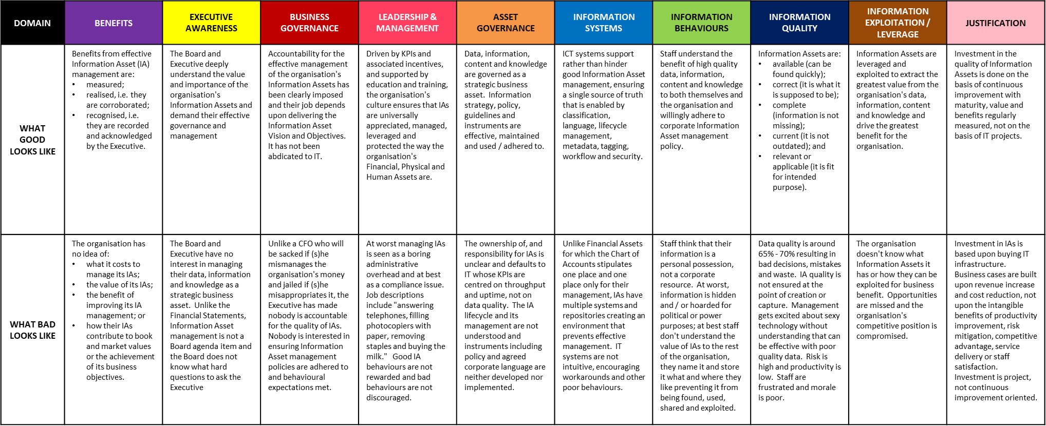

The information in these tables is Commercial in Confidence and Copyright © Experience Matters Pty Ltd. 2021

